INFO - HELP
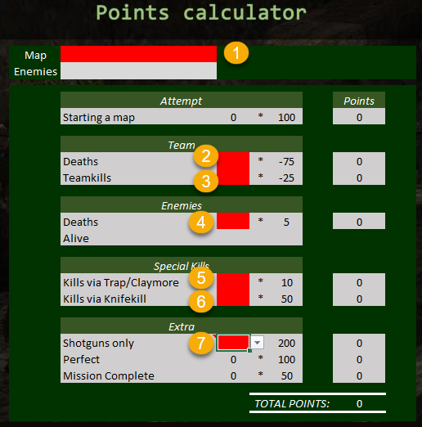
Help guide
How to calculate your score from your result on any map:
1. Select the map
2. Enter number of team deaths
3. Enter number of teamkills
(Don't include team kills on friendly AIs or by friendly AIs)
4. Enter number of enemy deaths
(Include if they killed themselves or if they were killed by friendly AIs)
5. Enter number of special kills by traps and claymore
6. Enter number of special kills by knife (don't include bayonet)
7. Enter '1' if shotguns only

